Change Process
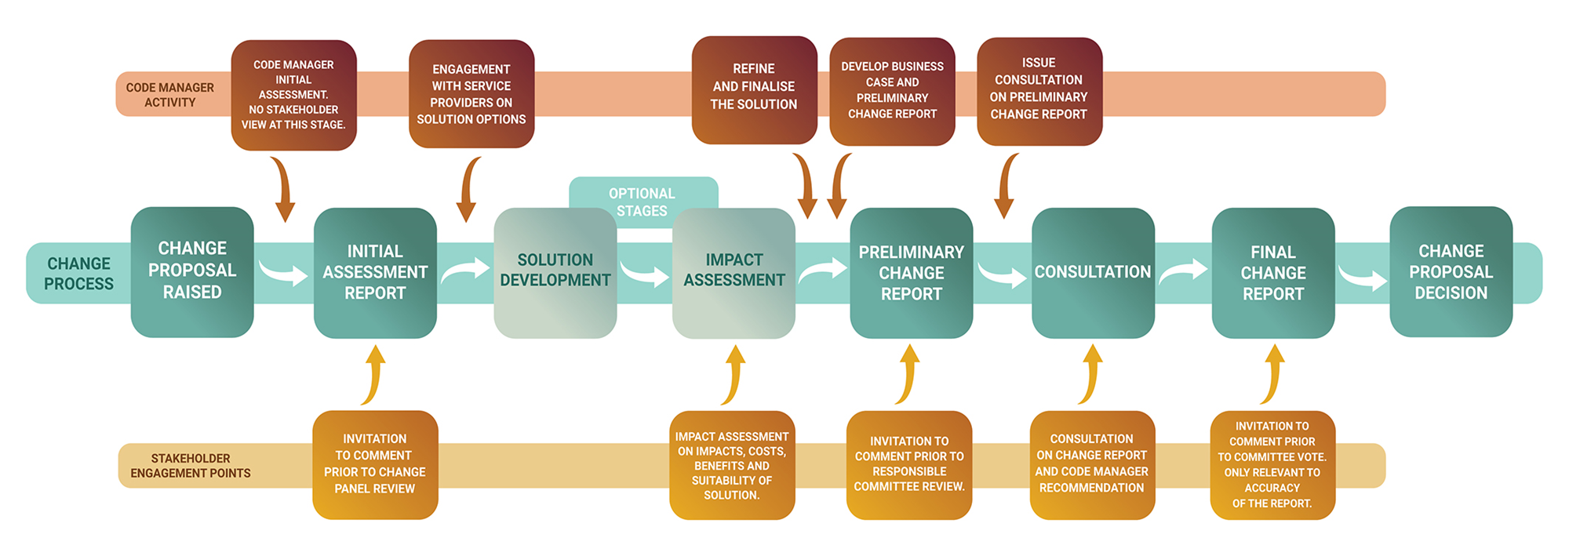

Portfolio View
Key
On track
Progress at risk
Behind Plan
RXX
RXX
RXX
R182
R43
R64
28 June 2024
R160
 |  | REC CHANGE PORTFOLIO Last updated: 21/06/2024
Priority Status and Score |  | INITIAL ASSESSMENT | ON HOLD | SOLUTION DEVELOPMENT | IMPACT ASSESSMENT | PRELIMINARY ASSESSMENT | CONSULTATION | FINAL ASSESSSMENT | AWAITING AUTHORITY DETERMINATION | AWAITING IMPLEMENTATION
CRITICAL | 171
R137
R70
R98
R142
R158
 |  | 2 | 0 | 0 | 0 | 0 | 0 | 0 | 0
R148
R92
R92A
23 August 2024
HIGH | 151 170
R144
R0181
R108
R121
R150
R166
 |  | 0 | 0 | 2 | 0 | 0 | 1 | 0 | 2
R37
R53
R122
R123
R124
R155
R96
R163
R167
MEDIUM | 101 150
R95
R161
R125
R152
R169
R80
R164
R94
R115
08 November 2024
 |  | 0 | 7 | 3 | 2 | 1 | 0 | 3 | 0
R49
R72
R87
R177
R162
R56
R126
R99
R105
R100
R120
R170
R69
R113
R48
R119
R146
R157
November 2025
LOW | 0 100
R178
R60
 |  | 5 | 1 | 5 | 2 | 2 | 1 | 3 | 0
I179
I0168
R44
R83
R97
MHHS Programme Milestone: M8 ‘Code changes delivered
TBD
 |  | 1 | 0 | 1 | 0 | 0 | 0 | 0 | 0
 |  | 8 | 8 | 11 | 4 | 3 | 2 | 6 | 2

