Change Process
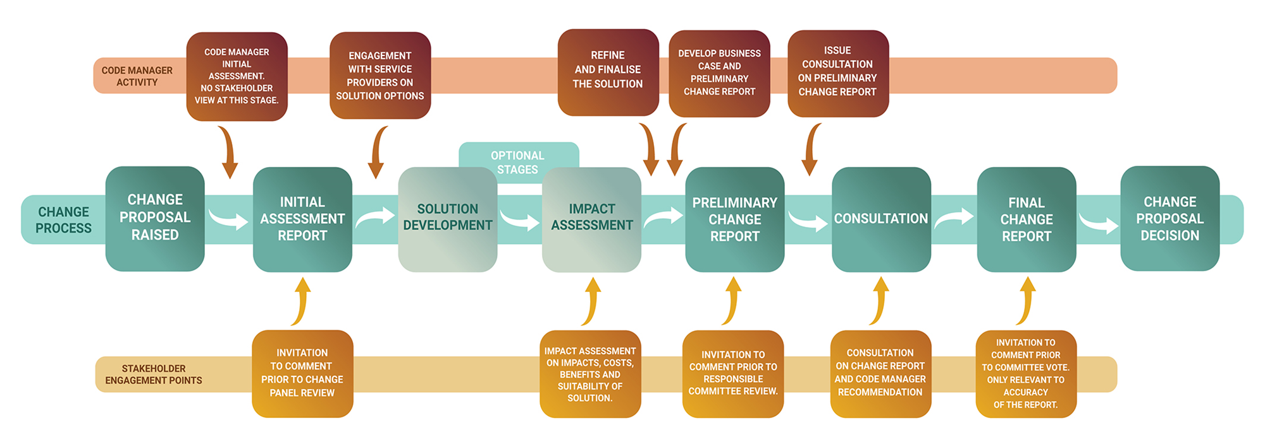

Portfolio View
Key
On track
Progress at risk
Behind Plan
RXX
RXX
RXX
R43
R64
28 June 2024
 |  | REC CHANGE PORTFOLIO Last updated: 26/04/2024
Priority Status and Score |  | INITIAL ASSESSMENT | ON HOLD | SOLUTION DEVELOPMENT | IMPACT ASSESSMENT | PRELIMINARY ASSESSMENT | CONSULTATION | FINAL ASSESSSMENT | AWAITING AUTHORITY DETERMINATION | AWAITING IMPLEMENTATION
CRITICAL | 171
R137
R70
R98
R142
R158
 |  | 1 | 0 | 0 | 0 | 0 | 0 | 0 | 0
R148
R92
R92A
R108
23 August 2024
HIGH | 151 170
R144
R160
R121
 |  | 0 | 0 | 2 | 0 | 0 | 1 | 2 | 0
R37
R53
R122
R123
R124
R155
R80
R96
R150
R115
08 November 2024
MEDIUM | 101 150
R95
R161
R125
R152
R164
R94
R163
 |  | 0 | 7 | 3 | 3 | 1 | 1 | 1 | 0
R49
R72
R69
R87
R119
R131
R166
R162
R56
R113
R126
R116
R130
R146
R99
R105
R100
R153
R120
R48
R06
R76
R165
R157
November 2025
LOW | 0 100
R60
 |  | 8 | 1 | 10 | 1 | 0 | 1 | 3 | 0
R44
R83
R97
MHHS Programme Milestone: M8 ‘Code changes delivered
TBD
 |  | 0 | 0 | 0 | 0 | 0 | 0 | 0 | 0
 |  | 9 | 8 | 15 | 4 | 1 | 3 | 6 | 0

